CC vs Time
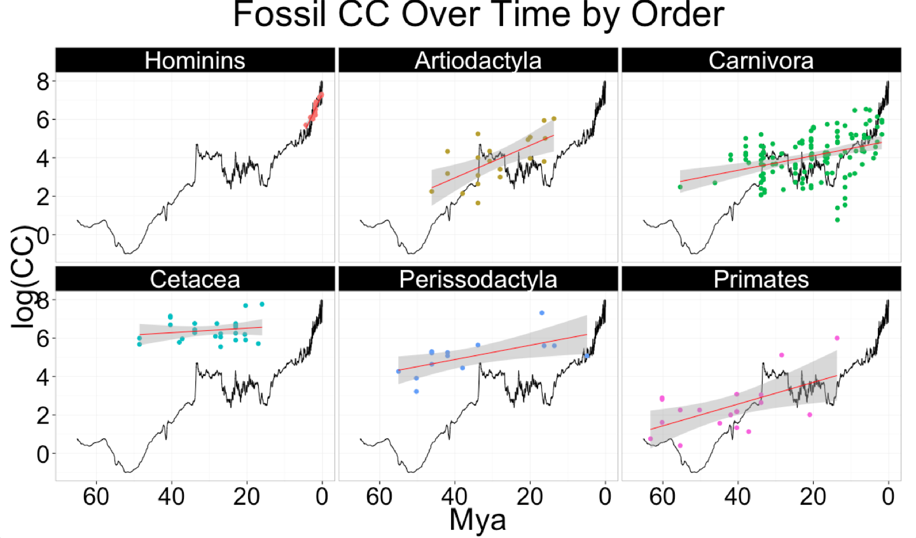
Column1 | Column12 | Column2 | Column3 | Column4 | Column42 | Column5
Fossil CC vs Time
 |  | Estimate | Std. Error | t value | p value | CC over time
All Orders [n=222] | Mya | -0.035 | 0.007 | -4.917 | 0.000 | Increase
 | (Intercept) | 5.161 | 0.207 | 24.960 | 0.000
Artiodactyla [n=20] | Mya | -0.084 | 0.023 | -3.727 | 0.002 | Increase
 | (Intercept) | 6.332 | 0.688 | 9.199 | 0.000
Carnivora [n=129] | Mya | -0.038 | 0.008 | -4.655 | 0.000 | Increase
 | (Intercept) | 4.867 | 0.193 | 25.270 | 0.000
Cetacea [n=26] | Mya | -0.012 | 0.013 | -0.923 | 0.365 | Stable
 | (Intercept) | 6.747 | 0.389 | 17.330 | 0.000
Perissodactyla [n=14] | Mya | -0.037 | 0.013 | -2.760 | 0.017 | Increase
 | (Intercept) | 6.368 | 0.526 | 12.120 | 0.000
Primates [n=19] | Mya | -0.057 | 0.019 | -2.934 | 0.009 | Increase
 | (Intercept) | 4.828 | 0.873 | 5.528 | 0.000
Hominins [n=14] | Mya | -0.415 | 0.049 | -8.504 | 0.000 | Increase
 | (Intercept) | 7.321 | 0.109 | 67.140 | 0.000
Table X. Negative means: as time gets smaller (closer to present) brains get bigger

Column6 | Column7 | Column1 | Column2 | Column3 | Column4 | Column5
Ancestral CC vs Time
 |  | Estimate | Std. Error | t value | p value | CC over time
All Orders [n=298] | Mya | 0.035 | 0.007 | 5.275 | 0.000 | Decrease
 | (Intercept) | 3.834 | 0.130 | 29.520 | 0.000
Artiodactyla [n=24] | Mya | 0.001 | 0.011 | 0.120 | 0.906 | Stable
 | (Intercept) | 5.163 | 0.253 | 20.440 | 0.000
Carnivora [n=156] | Mya | 0.010 | 0.006 | 1.634 | 0.104 | Stable
 | (Intercept) | 3.431 | 0.105 | 32.560 | 0.000
Cetacea [n=31] | Mya | 0.004 | 0.004 | 1.031 | 0.311 | Stable
 | (Intercept) | 7.305 | 0.108 | 67.540 | 0.000
Perissodactyla [n=9] | Mya | -0.004 | 0.006 | -0.795 | 0.457 | Stable
 | (Intercept) | 6.367 | 0.186 | 34.270 | 0.000
Primates [n=75] | Mya | -0.024 | 0.009 | -2.584 | 0.012 | Increase
 | (Intercept) | 4.457 | 0.177 | 25.150 | 0.000
Table X. OLS regressions results with CC as the response variable and time (Mya) as the predictor variable. 'CC over time' indicates whether there's been an increase, decrease or stability (no net change) in CC over the course of evolutionary time. |  |  |  |  |  |  |  |  | Estimate | Std. Error | t value | Pr(>|t|)
 |  |  |  |  |  |  |  | MYA | -0.02413 | 0.00934 | -2.583 | 1.19E-02
 |  |  |  |  |  |  |  | (Intercept) | 4.46E+00 | 0.1772 | 25.15 | 8.90E-37

Column1 | Column12 | Column2 | Column3 | Column4 | Column42 | Column5 | Column1 | Column12 | Column2 | Column3 | Column4 | Column42 | Column5

Fossil CC vs Time |  |  |  |  |  |  | Ancestral CC vs Time

All Orders |  | n | Residual se | R2 | Adjusted R2 | CC over time | All Orders |  | n | Residual se | R2 | Adjusted R2 | CC over time
 |  | 227 | 1.386 | 0.197 | 0.193 | Increase |  |  | 289 | 1.431 | 0.053 | 0.049 | Decrease
 |  | Estimate | Std. Error | t value | p value |  |  |  | Estimate | Std. Error | t value | p value
 | Ma | -0.047 | 0.006 | -7.424 | 0.000 |  |  | Ma | 0.028 | 0.007 | 3.992 | 0.000
 | (Intercept) | 5.552 | 0.175 | 31.720 | 0.000 |  |  | (Intercept) | 3.881 | 0.135 | 28.700 | 0.000

Artiodactyla |  | n | Residual se | R2 | Adjusted R2 | CC over time | Artiodactyla |  | n | Residual se | R2 | Adjusted R2 | CC over time
 |  | 20 | 0.960 | 0.436 | 0.404 | Increase |  |  | 22 | 0.590 | 0.001 | -0.049 | Stable
 |  | Estimate | Std. Error | t value | p value |  |  |  | Estimate | Std. Error | t value | p value
 | Ma | -0.084 | 0.023 | -3.727 | 0.002 |  |  | Ma | 0.001 | 0.011 | 0.120 | 0.906
 | (Intercept) | 6.332 | 0.688 | 9.199 | 0.000 |  |  | (Intercept) | 5.163 | 0.253 | 20.440 | 0.000

Carnivora |  | n | Residual se | R2 | Adjusted R2 | CC over time | Carnivora |  | n | Residual se | R2 | Adjusted R2 | CC over time
 |  | 129 | 1.056 | 0.146 | 0.139 | Increase |  |  | 156 | 0.852 | 0.017 | 0.010 | Stable
 |  | Estimate | Std. Error | t value | p value |  |  |  | Estimate | Std. Error | t value | p value
 | Ma | -0.038 | 0.008 | -4.655 | 0.000 |  |  | Ma | 0.010 | 0.006 | 1.619 | 0.107
 | (Intercept) | 4.867 | 0.193 | 25.270 | 0.000 |  |  | (Intercept) | 3.431 | 0.106 | 32.510 | 0.000

Cetacea |  | n | Residual se | R2 | Adjusted R2 | CC over time | Cetacea |  | n | Residual se | R2 | Adjusted R2 | CC over time
 |  | 26 | 0.584 | 0.034 | -0.006 | Stable |  |  | 31 | 0.335 | 0.037 | 0.004 | Stable
 |  | Estimate | Std. Error | t value | p value |  |  |  | Estimate | Std. Error | t value | p value
 | Ma | -0.012 | 0.013 | -0.923 | 0.365 |  |  | Ma | 0.004 | 0.004 | 1.054 | 0.301
 | (Intercept) | 6.747 | 0.389 | 17.330 | 0.000 |  |  | (Intercept) | 7.304 | 0.108 | 67.700 | 0.000

 |  | n | Residual se | R2 | Adjusted R2 | CC over time | Perissodactyla |  | n | Residual se | R2 | Adjusted R2 | CC over time
 |  | 14 | 0.782 | 0.388 | 0.337 | Increase |  |  | 8 | 0.214 | 0.095 | -0.055 | Stable
Perissodactyla |  | Estimate | Std. Error | t value | p value |  |  |  | Estimate | Std. Error | t value | p value
 | Ma | -0.037 | 0.013 | -2.760 | 0.017 |  |  | Ma | -0.004 | 0.006 | -0.795 | 0.457
 | (Intercept) | 6.368 | 0.526 | 12.120 | 0.000 |  |  | (Intercept) | 6.367 | 0.186 | 34.270 | 0.000

Primates |  | n | Residual se | R2 | Adjusted R2 | CC over time | Primates |  | n | Residual se | R2 | Adjusted R2 | CC over time
 |  | 19 | 1.132 | 0.336 | 0.297 | Increase |  |  | 72 | 0.907 | 0.087 | 0.074 | Increase
 |  | Estimate | Std. Error | t value | p value |  |  |  | Estimate | Std. Error | t value | p value
 | Ma | -0.057 | 0.019 | -2.934 | 0.009 |  |  | Ma | -0.024 | 0.009 | -2.583 | 0.012
 | (Intercept) | 4.828 | 0.873 | 5.528 | 0.000 |  |  | (Intercept) | 4.457 | 0.177 | 25.150 | 0.000

Hominins |  | n | Residual se | R2 | Adjusted R2 | CC over time
 |  | 19 | 0.350 | 0.521 | 0.493 | Increase
 |  | Estimate | Std. Error | t value | p value
 | Ma | -0.304 | 0.071 | -4.302 | 0.000
 | (Intercept) | 7.012 | 0.153 | 45.820 | 0.000

Individualized |  | n | Residual se | R2 | Adjusted R2 | CC over time
Hominins |  | 189 | 0.179 | 0.835 | 0.834 | Increase
 |  | Estimate | Std. Error | t value | p value
 | Ma | -0.429 | 0.014 | -30.790 | 0.000
 | (Intercept) | 7.262 | 0.017 | 433.500 | 0.000

Fig Edits
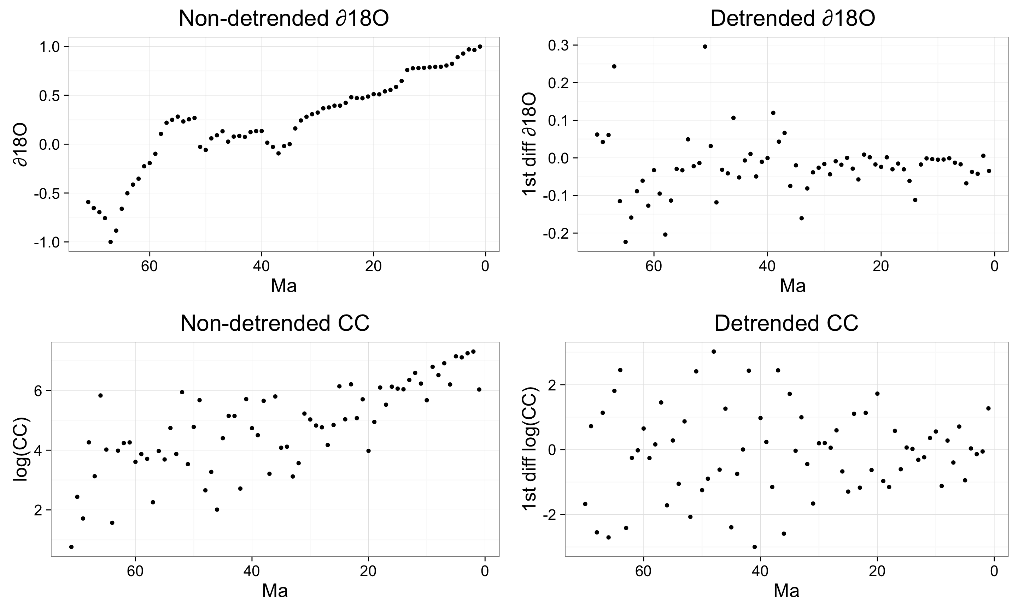
∂¹⁸O

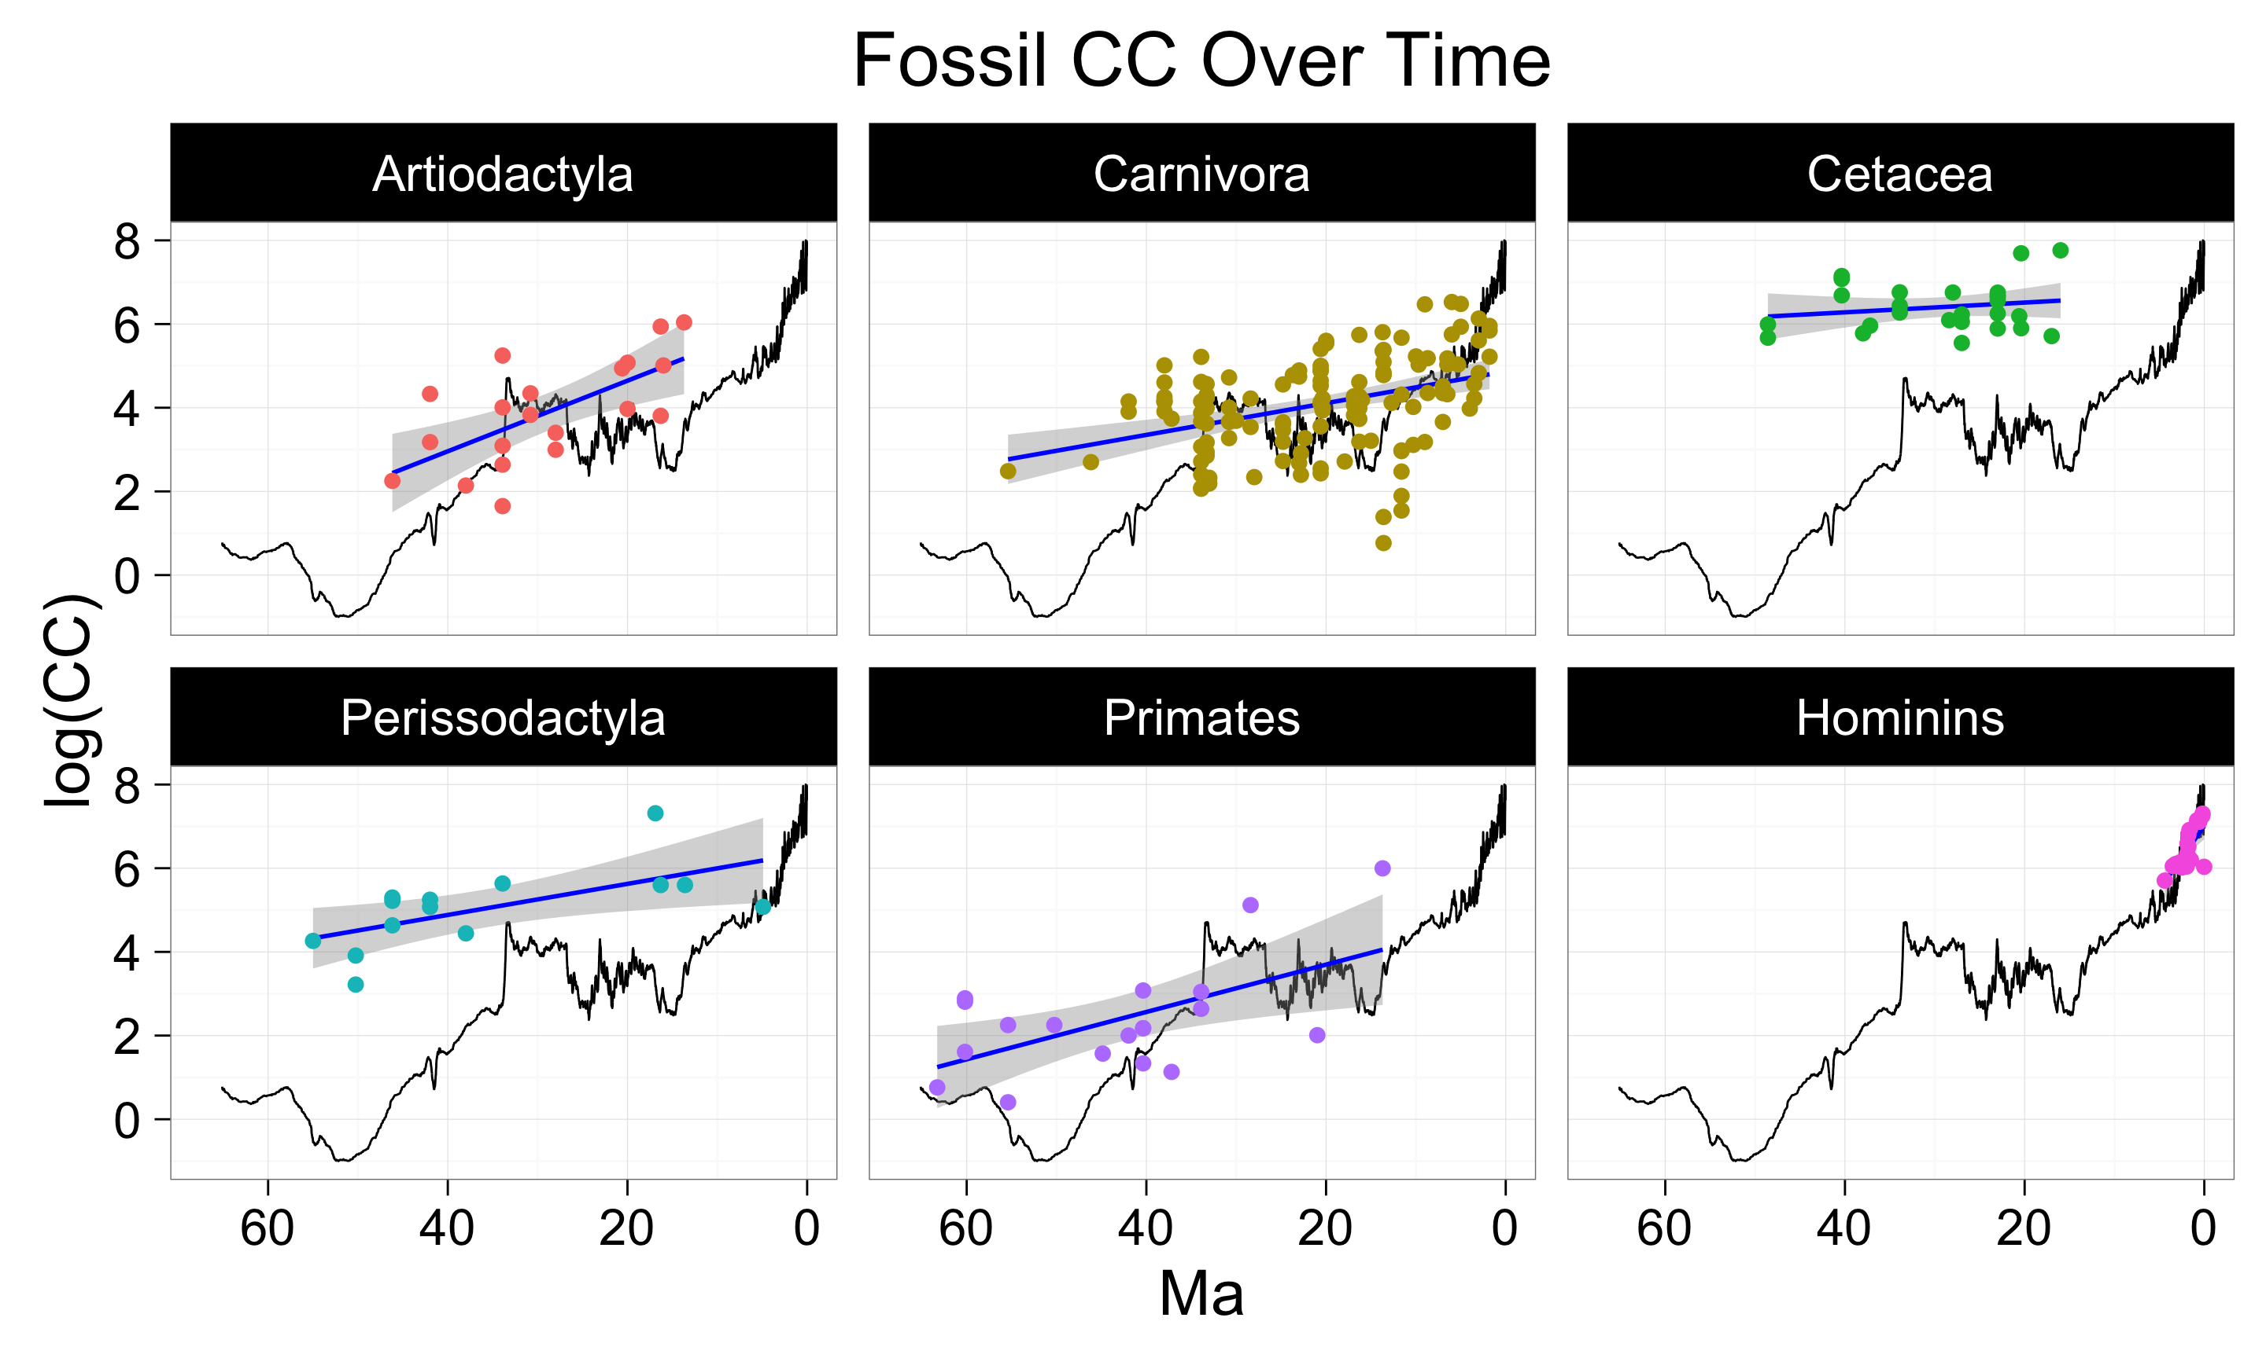

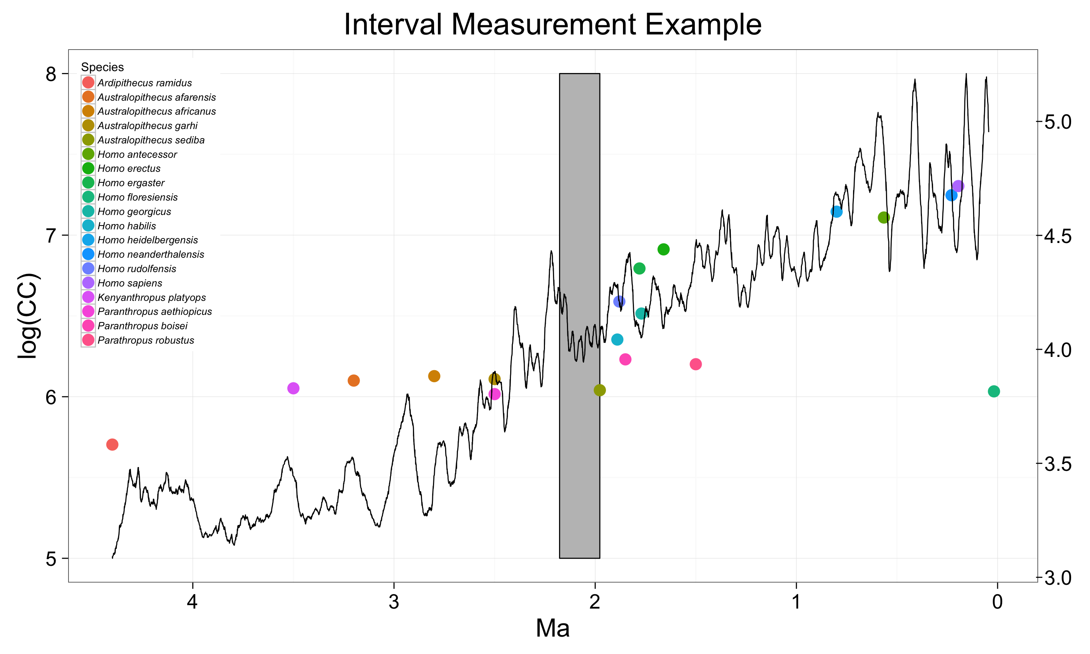
A

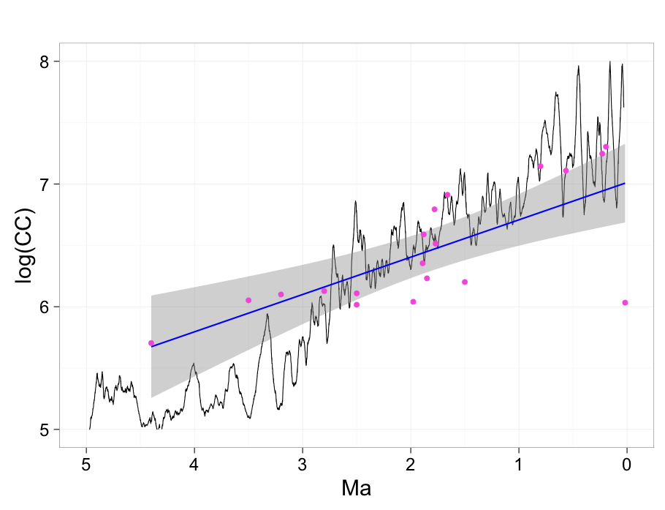

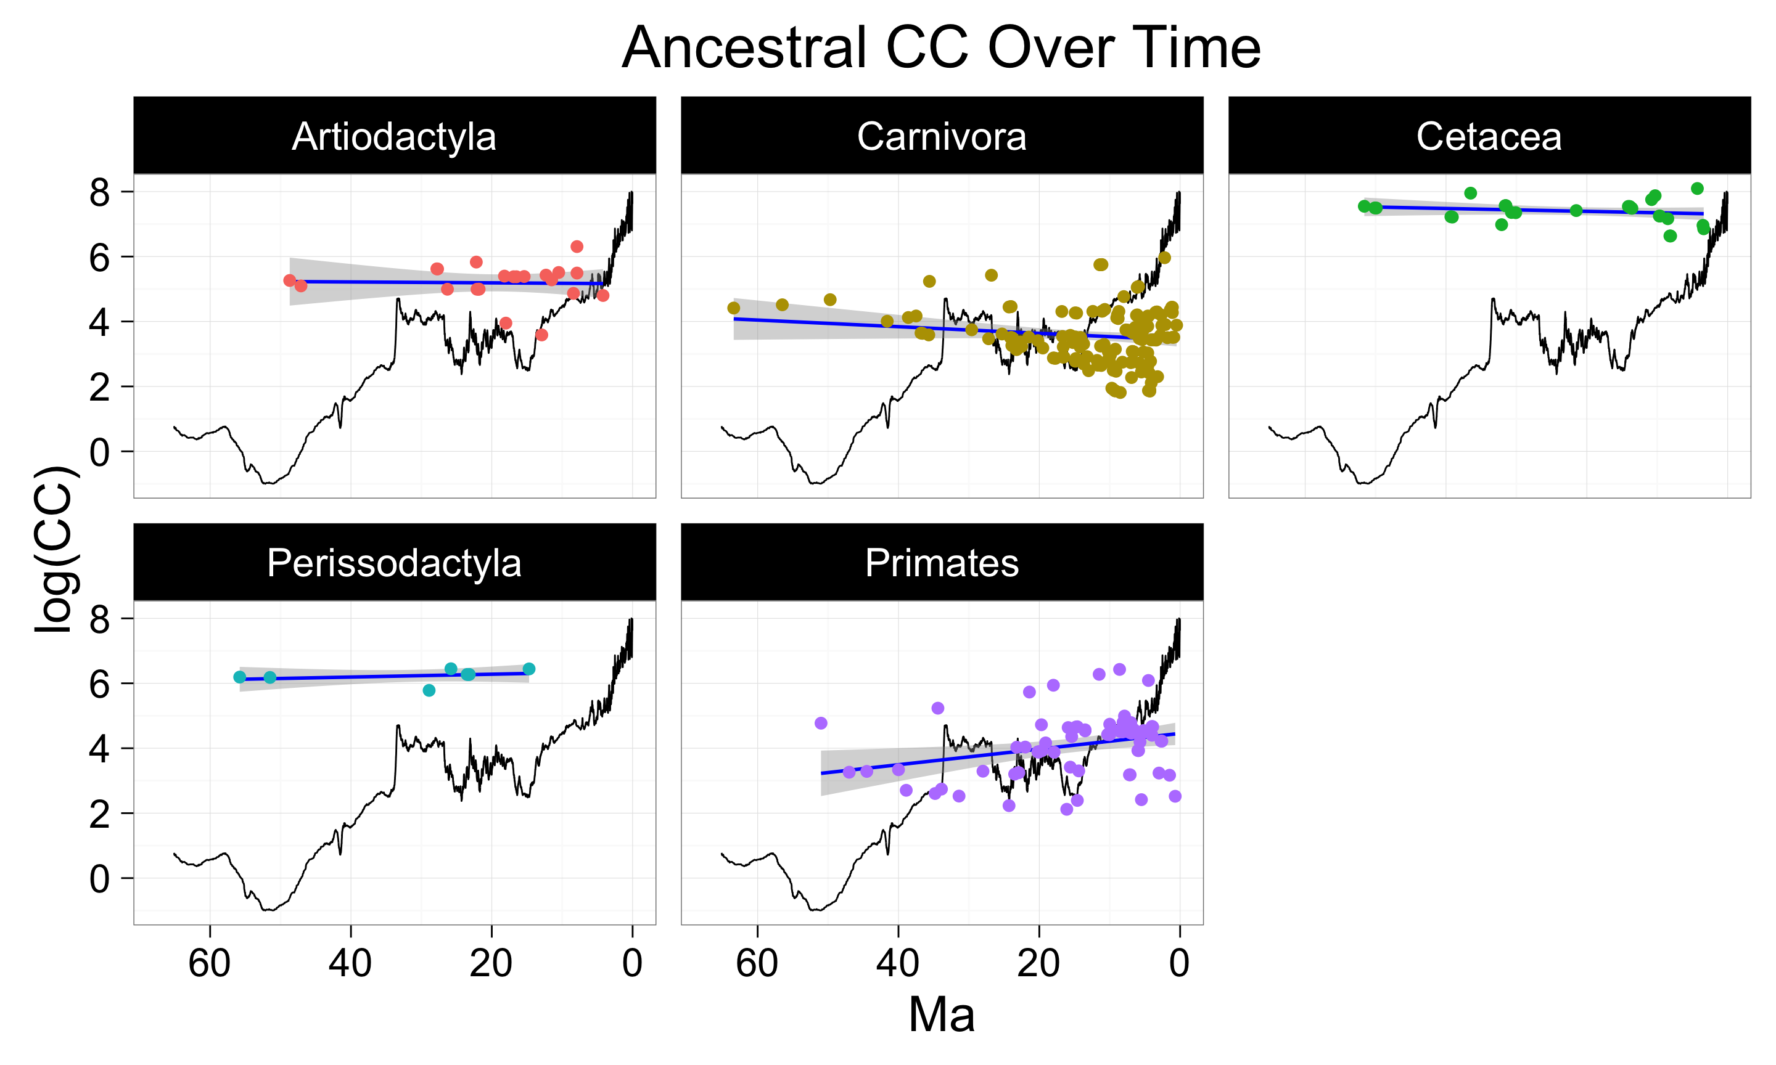

B

